Information
excelfind

Thanks for downloading this FREE VERSION of our Ultimate Excel Dashboard.
This version is for demonstration and inspiration purposes only, the dashboard itself is not editable or customizable. You can unlock the full and editable file below.

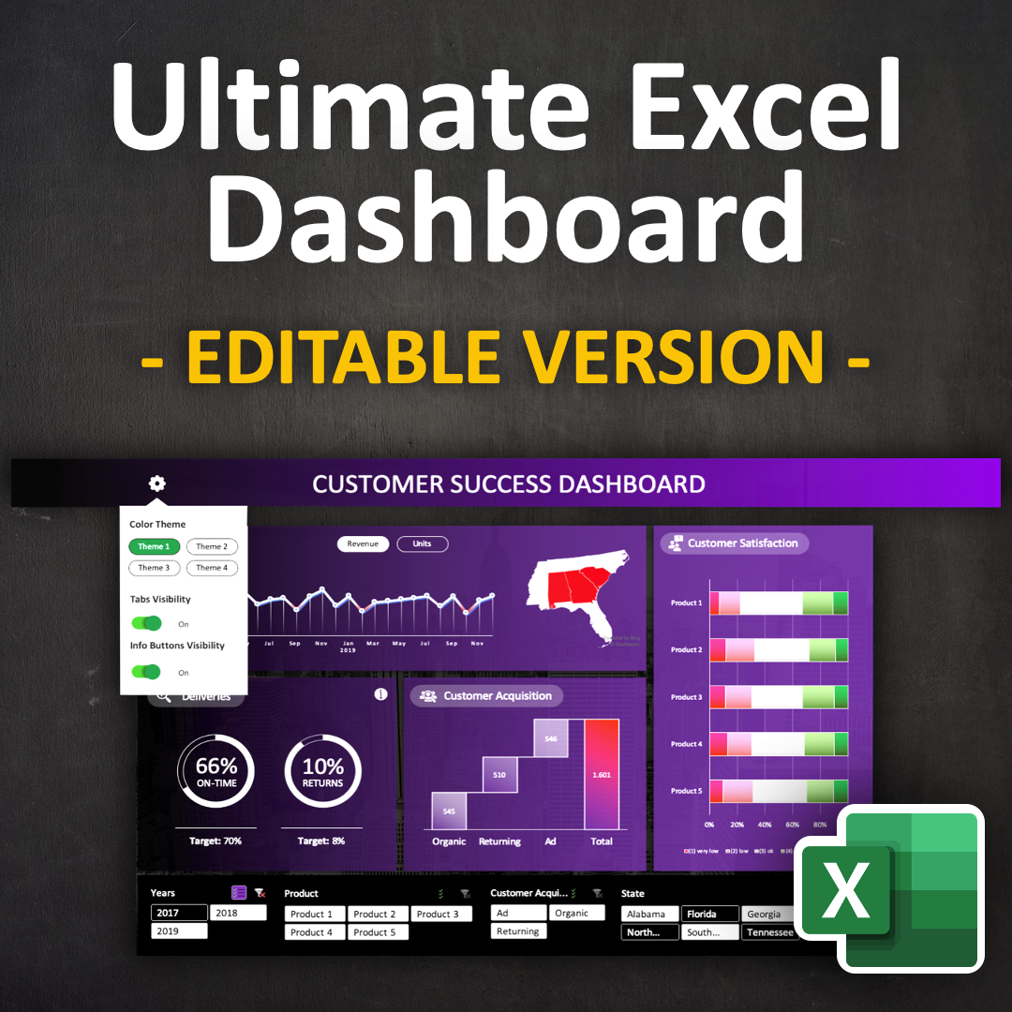
Editable
BONUS: Showcase file with advanced dashboard features
Dashboard Worksheet unlocked
to unlock the editable version!
Click here

File Information
Source: https://excelfind.com
File License: Free for personal Use. No distribution to any other third party.* party.
Author: The Office Lab
* If you want to share this file with others, please refer them to https://excelfind.com or https://excelfind.com/downloads
Disclaimer: No liability is taken for any damage that might arise from its use in a business or personal context.

Dashboard
CUSTOMER SUCCESS DASHBOARD

This is the FREE VERSION of this file.
You can test the filtering functionality and use it as inspiration for your own dashboards. If you want to edit and customise this dashboard for your own needs, click here to unlock the editable file.
Sales
Customer Satisfaction

 | Total
Jan | 225731
Feb | 224548
Mar | 223484
Apr | 278196
May | 266230
Jun | 290545
Jul | 355169
Aug | 393933
Sep | 229320
Oct | 335450
Nov | 351046
Dec | 266605
Jan | 259495
Feb | 257885
Mar | 349520
Apr | 303523
May | 271232
Jun | 211561
Jul | 258372
Aug | 264448
Sep | 251170
Oct | 268407
Nov | 255850
Dec | 264294
Jan | 291449
Feb | 170811
Mar | 240407
Apr | 204011
May | 236108
Jun | 275295
Jul | 302998
Aug | 239334
Sep | 242180
Oct | 186102
Nov | 271812
Dec | 269347
 | (1) very low | (2) low | (3) ok | (4) high | (5) very high
Product 5 | 106 | 243 | 474 | 244 | 104
Product 4 | 123 | 200 | 459 | 240 | 113
Product 3 | 133 | 231 | 421 | 249 | 119
Product 2 | 126 | 248 | 445 | 249 | 92
Product 1 | 109 | 198 | 509 | 231 | 114

Deliveries
Customer Acquisition

 | Total
on-time | 3889
delayed | 1891
 | Total
no | 5184
yes | 596

67%
10%

ON-TIME
RETURNS

Target: 70%
Target: 8%

Sheet2

CUSTOMER SUCCESS DASHBOARD

Sales
Customer Satisfaction

 | Total
Jan | 225731
Feb | 224548
Mar | 223484
Apr | 278196
May | 266230
Jun | 290545
Jul | 355169
Aug | 393933
Sep | 229320
Oct | 335450
Nov | 351046
Dec | 266605
Jan | 259495
Feb | 257885
Mar | 349520
Apr | 303523
May | 271232
Jun | 211561
Jul | 258372
Aug | 264448
Sep | 251170
Oct | 268407
Nov | 255850
Dec | 264294
Jan | 291449
Feb | 170811
Mar | 240407
Apr | 204011
May | 236108
Jun | 275295
Jul | 302998
Aug | 239334
Sep | 242180
Oct | 186102
Nov | 271812
Dec | 269347

 | (1) very low | (2) low | (3) ok | (4) high | (5) very high
Product 5 | 106 | 243 | 474 | 244 | 104
Product 4 | 123 | 200 | 459 | 240 | 113
Product 3 | 133 | 231 | 421 | 249 | 119
Product 2 | 126 | 248 | 445 | 249 | 92
Product 1 | 109 | 198 | 509 | 231 | 114

Deliveries
Customer Acqusition

 | Total
on-time | 3889
delayed | 1891
 | Total
no | 5184
yes | 596

10%
67%

ON-TIME
RETURND

Target: 70%
Target: 8%

